Que 1
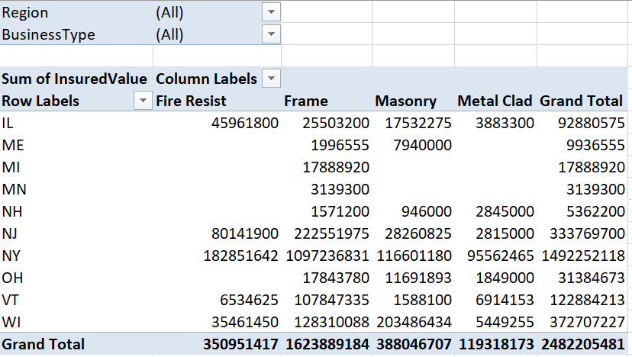
Create Pivot Based on Data in PolicyDataSheet as shown in Below Image

